Instructions
Instructions for Using the AACSB Table 3-1 Macro Enabled Workbook

Generally, Excel automatically disables all macros, so you may need to enable them to use this template. To run macros, you must either "unblock" the file, or move it to a "trusted folder" (or "trust" the folder the file is in). For more info and details on workarounds, see: https://exceloffthegrid.com/unblock-macros-downloaded-from-the-internet/ | Enabling Macros Images
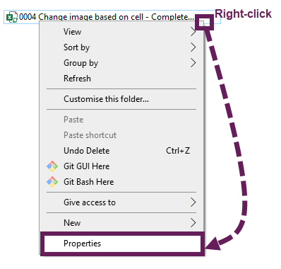
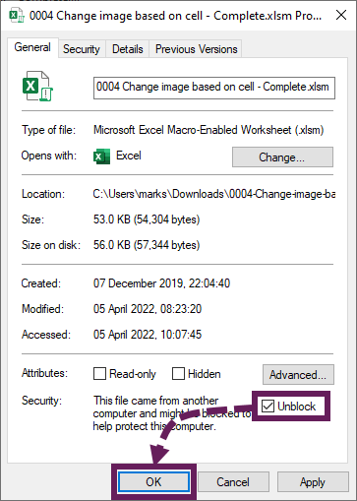
Adding a new Discipline
1. Enter the name of the discipline in the "Enter Discipline:" field.
2. Indicate if a degree or major is offered in this discipline. Enter "Yes" if a degree/major is offered, or "No" if not.
3. In the "Faculty:" field, enter the number of faculty members associated with this discipline.
4. After you have entered these details, press the "Add Discipline" button.
5. The macro will add a new data-entry block in the Faculty Data sheet with the details you provided. It will prompt you to fill the required information about each faculty member including their names, field of specialty, highest degree earned, year earned, and their responsibilities and qualifications.

Understanding the Table 3-1 Sheet:
On the Table 3-1 sheet, you will find various fields such as:

Faculty Member Name: Enter the name of the faculty member.
Specialty Field: Enter the specialty field of the faculty member.
Specialty Field (Other): If the faculty has a specialty field that isn't listed, please enter it in this field.
Highest Degree: Enter the highest degree of the faculty member.
Year Earned: Enter the year when the highest degree was earned.
Participating Faculty Teaching Productivity (P) and Supporting Faculty Teaching Productivity (S): Fill these according to the school criteria for each category.
Year Earned: Enter the year when the highest degree was earned.
Normal Professional Responsibilities: Indicate the normal professional responsibilities of each faculty member using the following guide: UT for undergraduate teaching; MT for master’s-level teaching, DT for doctoral-level teaching/mentoring, ADM for administration, RES for research, ED for non-degree executive education, and SER for other service and outreach responsibilities. A faculty member may have more than one category assigned.
Classification of faculty (Scholarly Academic (SA), Practice Academic (PA), Scholarly Practitioner (SP), Instructional Practitioner (IP), Additional Faculty (A)): Indicate the classification of each faculty member with respect to their time devotion to the mission.

Please note: Always save your workbook after making any changes. The data you enter is not automatically saved.

Reviewing the Totals:
At the bottom of the sheet, you will see a "Grand Total of All Disciplines" row that summarizes the total faculty members and their classifications. This is updated every time you add a new discipline or clear the data. The "Ratios of All Disciplines" rows provide the calculated ratios according to your school's criteria.

Last Updated: December 17, 2024

Table 3-1
Instructions: Start by entering your first discipline name, whether degrees or majors are offered in this discipline, and then how many faculty members you have in that discipline.
Then click the "Add Discipline" button. The spreadsheet will create that discipline for you. Enter all the rest of your disciplines the same way. If necessary, you can use the "Clear
Last Discipline" button to completely erase the last discipline you added. This cannot be undone. You may have to zoom out to see the rows that are added.
Add Discipline
Clear Last Discipline
Sample University |  |  |  |  |  |  |  |  | Last Update: |  |  |  |  | WARNING: Clicking this button will ERASE the last discipline from the table!
Data Date Range: | Month Day, 202# - Month Day, 202#
Enter Discipline: |  |  |  |  |  |  |  | Degree or major offered in this discipline? |  |  | Number of Faculty in this discipline

Faculty Portfolio by Discipline |  |  |  |  | Faculty Sufficiency Related to Teaching () |  |  | Faculty Qualifications With Respect to Percent of Time Devoted to Mission |  |  |  |  | Brief Description of Basis for Qualification (Enter brief quantitative and/or qualitative information corresponding to the school criteria for each category.)
Faculty Member Name | Specialty Field | Specialty Field (Other) | Highest Degree | Year Earned | Participating Faculty Teaching Productivity (P) SCH | Supporting Faculty Teaching Productivity (S) SCH | Normal Professional Responsibilities | Scholarly Academic (SA) | Practice Academic (PA) | Scholarly Practitioner (SP) | Instructional Practitioner (IP) | Additional Faculty (A)

Grand Total of All Disciplines |  |  |  |  | 0 | 0 |  | 0 | 0 | 0 | 0 | 0
Ratios of All Disciplines |  |  |  | P >= 75%: |  |  | SA >= 40%:
Ratios of All Disciplines |  |  |  |  |  |  | SA+PA+SP+IP >= 90%:

